Sheet1
Homework 2
A T-shaped beam, has the following dimensions :
A vertical rctangular section "V" which has a cross sectional area with a width "B" and a height "H", and
a horizontal rectangular section "H" which has a cross sectional area with a width "b" and a height "h".

Find:
Centroid "Y" of the total area "Σ A" and then obtain the second moment of area "Io" about the centroid.

 |  | A | y | A y |  | I | A | y | A y*2 | I + A y*2
1 | V | 60.00 | 10.00 | 600.00 | 1 | 2,000.00 | 60.00 | 5.75 | 1,983.75 | 3,983.75
2 | H | 60.00 | 21.50 | 1,290.00 | 2 | 45.00 | 60.00 | -5.75 | 1,983.75 | 2,028.75
 | Σ | 120.00 | Σ | 1,890.00 |  |  |  |  | Σ | 6,012.50

Y | 15.75 | Distance between centroid and arbitrary line # |  |  |  | Io | 6,012.50 | Second moment of area about the centroid ##
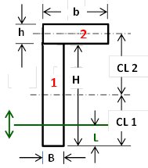
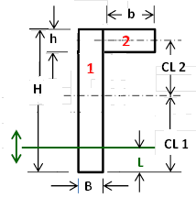
Fig. 1 or 2 | 1
B | 3 | Vertical-Beam area rectangular width
H | 20 | Vertical-Beam area rectangular height
b | 20 | Horizontal-Beam area rectangular width
h | 3 | Horizontal-Beam area rectangular height

CL 1 | 10 | Distance between center line CL 1 and bottom line L (= H/2)
CL 2 | 11.5 | Distance between center line CL 1 and CL 2

L | 0 | Distance between arbitrary line and bottom line (anywhere)

#
 |  |  |  |  |  |  |  | Fig. 1 |  | Fig.2
## |  |  |  |  |  |  | Part 1 & 2 |  | OR | Part 1 & 2

