Sheet1
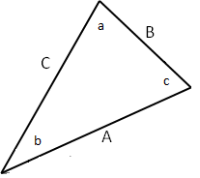
Vectors Addition
C = A + B

 | A | α |  |  | B | β |  |  | c | γ
A | 20 | 30 |  | B | 40 | 300 |  | C | 44.72 | 326.6

 | i | j |  |  | i | j |  |  | i | j
A | 17.32 | 10.00 |  | B | 20.00 | -34.64 |  | C | 37.32 | -24.64

 | c | a | b
 | 90 | 26.6 | 63.4

A |  |  | B |  |  | C
0 | 17.32 |  | 0 | 20.00 |  | 0 | 37.32
0 | 10.00 |  | 0 | -34.64 |  | 0 | -24.64

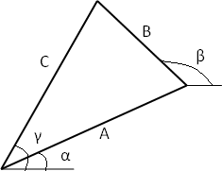
0 | 10.00 |  |  |  | 0 | -34.64
0 | 17.32 |  |  |  | 0 | 20.00

0 | 17.32 | 37.32 | 0 | 37.32 |  | -24.64 | 10.00
0 | 10.00 | -24.64 | 0 | -24.64 |  | 0.00 | 37.32

