Sheet1
Compression coil spring

Spring Dimensions |  |  |  | Spring materials |  |  | Spring loads

d | 10 | mm |  | G | 81400 | N/mm2 | P | 900 | N
D | 55 | mm |  | τu | 8000 | N/mm2
n | 10 | turn |  |  |  |  | Condition
Lf | 160 | mm
Ls | 65 | mm |  |  |  |  | SF | 10

 |  |  |  |  |  |  | Conclusions:
C | 5.5 |  |  | τall | 800 | N/mm2
Kw | 1.279 |  |  | δmax | 95 | mm | Stress | OK | τtotal =< or > τall
τt | 126.05 | N/mm2 |  | Buckling lmt. | 4 |  | Deflection | OK | δ =< or > δmax
τtota | 161.18 | N/mm2 | 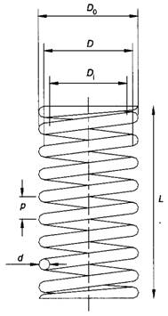 |  |  |  | Buckling | OK | Lf/D =< or > 4
δ | 14.72 | mm
Buckling cd | 2.91

K | 61.16 | N/mm

KW = Wahl factor
K = Spring rate
τt = Torsional stress
δ = Spring deflection
δmax = Lf - Ls
= Max. Spring deflection

