Sheet1
Spring rate for two springs in parallel and in series
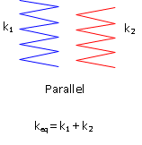
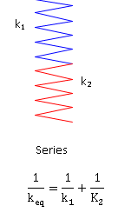

k1 | 20
k2 | 20

In parallel | 40
in series | 10.0

